Input1
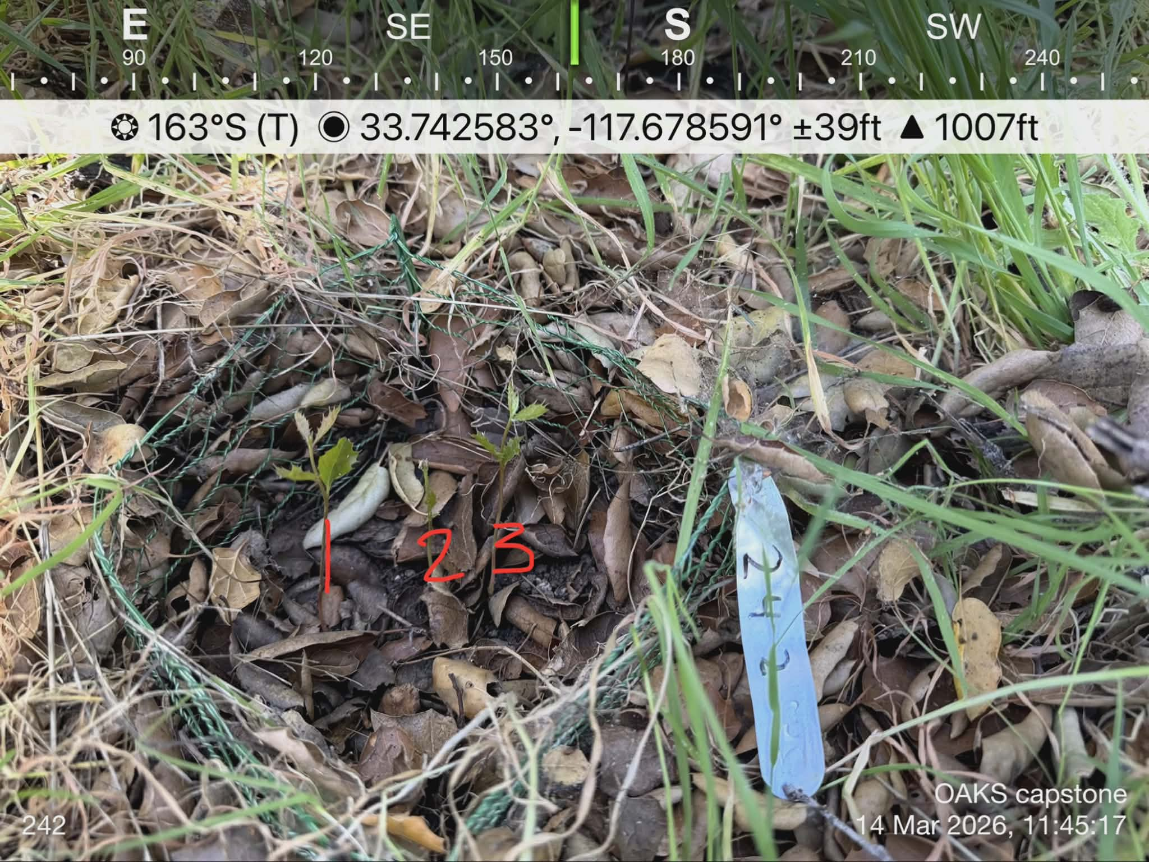
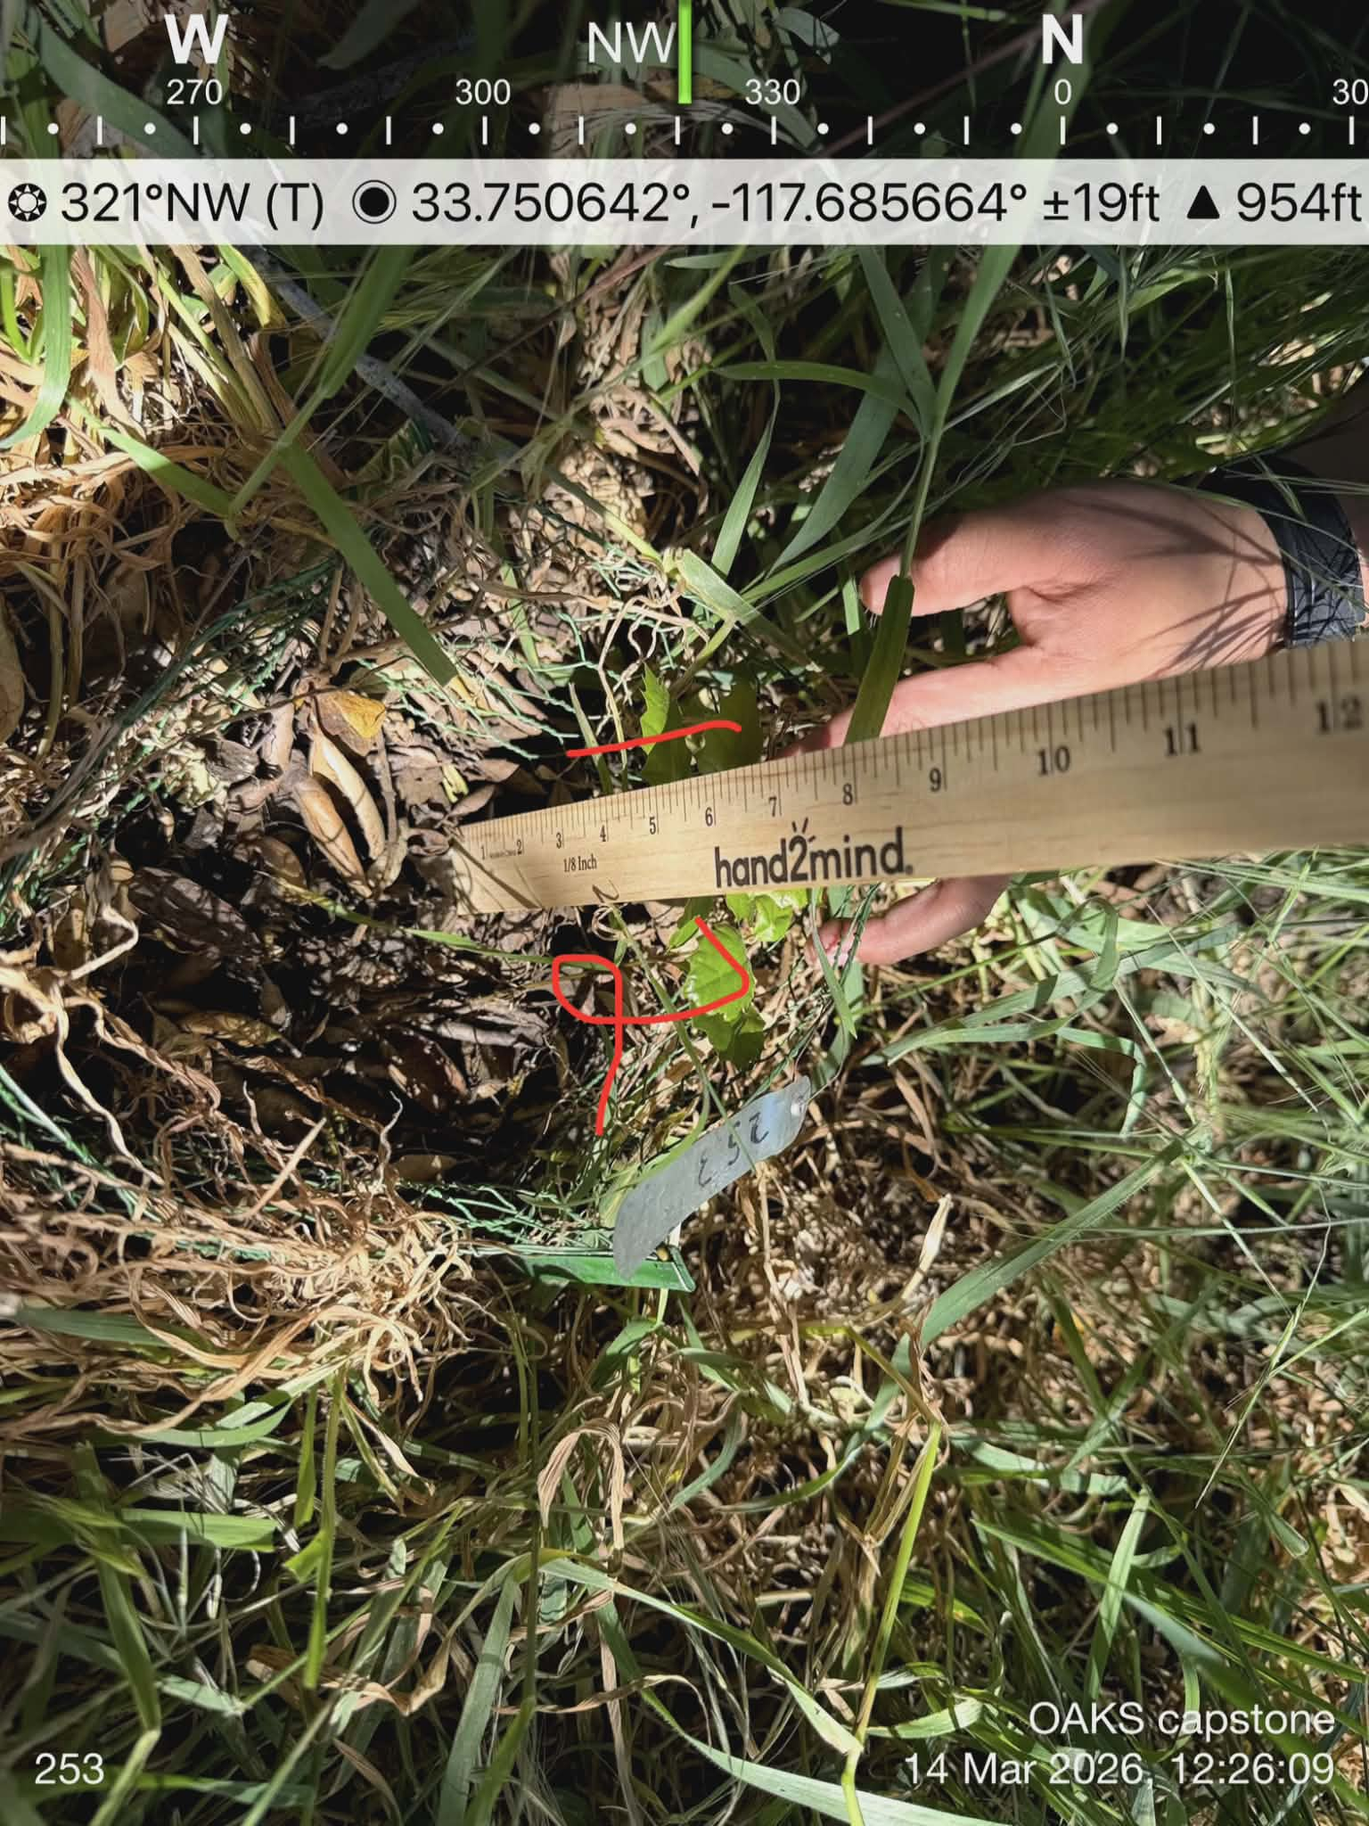
Page Number | Date Collected | Recorder | Block | Tag # | Oak Type | Treatment | OA Microclimate | Seedling Height | # of Leaves | # of dead leaves | % Leaf Greeness | # that germinated | RCD | Notes
Page # | MM/DD/YYYY | Name | # | # | NR, S, or A | AC, OA, NP, DT, or DL | TH, TI, CN | (cm) | # | # | % | # | (mm) | as written on data sheet
1 | 03/14/2026 | Lucia | 7 | 204 | NR | AC | NA | 61 | 109 | 6 | 94.49541284 | NA | 7.9
1 | 03/14/2026 | Lucia | 7 | 242A1 | A | AC | NA | 14 | 4 | 0 | 100 | 3 | 3 | 1st
1 | 03/14/2026 | Lucia | 7 | 242A2 | A | AC | NA | 10 | 2 | 0 | 100 | 3 | 1.8 | 2nd
1 | 03/14/2026 | Lucia | 7 | 242A3 | A | AC | NA | 12 | 5 | 0 | 100 | 3 | 3.4 | 3rd
1 | 03/14/2026 | Lucia | 7 | 243 | A | AC | NA | NA | NA | NA | #VALUE! | 0 | NA
1 | 03/14/2026 | Lucia | 6 | 251 | A | AC | NA | 9 | 4 | 0 | 100 | 1 | NA
1 | 03/14/2026 | Lucia | 6 | 252 | A | AC | NA | 12 | 6 | 0 | 100 | 1 | NA
1 | 03/14/2026 | Lucia | 6 | 253A1 | A | AC | NA | 14 | 7 | 0 | 100 | 2 | NA | 1st
1 | 03/14/2026 | Lucia | 6 | 253A2 | A | AC | NA | 15 | 4 | 0 | 100 | 2 | NA | 2nd
2 | 03/14/2026 | Jerry A + Joshua | 7 | 237 | A | OA | CN | NA | NA | NA | #VALUE! | 0 | NA | Burrows nearby
2 | 03/14/2026 | Jerry A + Joshua | 7 | 238 | A | OA | TI | NA | NA | NA | #VALUE! | 0 | NA
2 | 03/14/2026 | Jerry A + Joshua | 7 | 152 | A | OA | NA | 13 | 14 | 2 | 85.71428571 | NA | 1.1
2 | 03/14/2026 | Jerry A + Joshua | 7 | 236 | A | OA | TH | NA | NA | NA | #VALUE! | 0 | NA
2 | 03/14/2026 | Jerry A + Joshua | 6 | 250 | A | DT | NA | 14 | 6 | 0 | 100 | 1 | 1.4 | lots of ants
2 | 03/14/2026 | Jerry A + Joshua | 6 | 248A1 | A | DT | NA | 1 | 0 | 0 | 100 | 2 | 0.9
2 | 03/14/2026 | Jerry A + Joshua | 6 | 248A2 | A | DT | NA | 6 | 2 | 0 | 100 | 2 | 1
2 | 03/14/2026 | Jerry A + Joshua | 6 | 249 | A | DT | NA | NA | NA | NA | #VALUE! | 0 | NA
2 | 03/14/2026 | Jerry A + Joshua | 6 | 123 | S | DT | NA | 0 | 0 | 0 | 100 | NA | 0 | Previously recorded as dead
2 | 03/14/2026 | Jerry A + Joshua | 6 | 122 | A | DT | NA | 0 | 0 | 0 | 100 | NA | 0 | Previously recorded as dead
2 | 03/14/2026 | Jerry A + Joshua | 6 | 225 | NR | DT | NA | 30 | 32 | 0 | 100 | NA | 4.9
3 | 03/14/2026 | Steven | 7 | 240 | A | DT | NA | NA | NA | NA | #VALUE! | 0 | NA
3 | 03/14/2026 | Steven | 7 | 239 | A | DT | NA | NA | NA | NA | #VALUE! | 0 | NA
3 | 03/14/2026 | Steven | 7 | 241 | A | DT | NA | NA | NA | NA | #VALUE! | 0 | NA
3 | 03/14/2026 | Steven | 7 | 218 | NR | DT | NA | 24 | 16 | 0 | 100 | NA | 4.6
3 | 03/14/2026 | Steven | 7 | 220 | NR | DT | NA | 24 | 18 | 0 | 100 | NA | 2.8
3 | 03/14/2026 | Steven | 6 | 245 | A | OA | TI | NA | NA | NA | #VALUE! | 0 | NA
3 | 03/14/2026 | Steven | 6 | 246 | A | OA | TH | NA | NA | NA | #VALUE! | 0 | NA
3 | 03/14/2026 | Steven | 6 | 247 | A | OA | CN | 12 | 5 | 0 | 100 | 1 | NA | Furthest from the rest
3 | 03/14/2026 | Steven | 6 | 127A1 | A | OA | NA | 29 | 40 | 0 | 100 | NA | 5.5
3 | 03/14/2026 | Steven | 6 | 127A2 | A | OA | NA | 32 | 20 | 0 | 100 | NA | 3.4
3 | 03/14/2026 | Steven | 6 | 129A2 | A | OA | NA | 13 | 10 | 0 | 100 | NA | 1.5 | Reassigned to 129A2 following review of previous data sheets (tag had fallen off)

